Sheet1
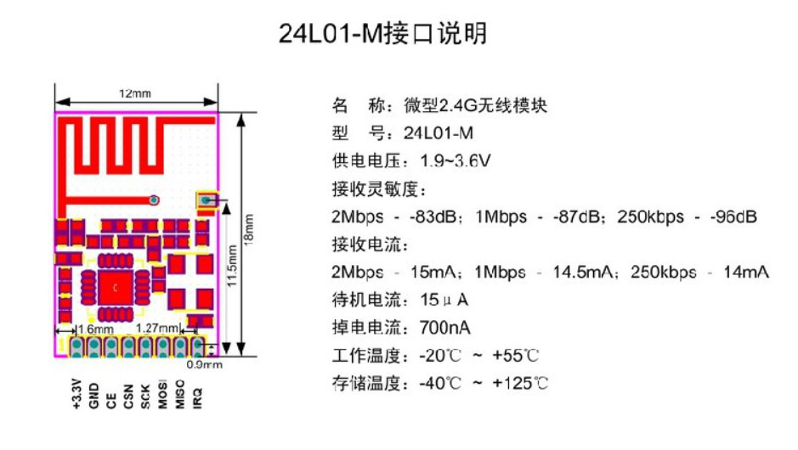
 |  |  | xxxx xxxx xxxxx xxPCS BOM (Sample Bill of Materials)

Item # | *Ref Des | *Qty | Manufacturer | *Mfg Part # | Description / Value | *Package | Type | Your Instructions / Notes |  |  | 10sets | 10sets | Updated comment from PCBWay
1 |  |  |  |  |  |  |  | do not connect |  |  |  |  | DNM
2 |  |  |  |  |  |  |  | do not connect |  |  |  |  | DNM
3 | U4 | 1 | * | NRF24L01+ SMD | Nrf24L01+ radio module SMD with PCB Antenna | SMD Module | SMD |  |  |  | $2.100 | $21.000 | NRF24L01+Module，pls check the attached pic
4 | U3 | 1 | Panasonic | AQH3213A | AQH3213 SSR SMT | DIP8 | SMD |  |  | you can find this on mauser.com for 1,55 € | $2.163 | $21.630 | part number is SMD，not DIP8 5-7WORK DAYS no equivalent component for it
5 | U2 | 1 | Microchip | ATMega328P-AU | ATMega328P-AU | 32TQFP | SMD |  |  |  | $1.890 | $18.900
6 | Y1 | 1 | Abracon LLC | AWSCR-8.00CV-T | Resonator 8Mhz inkl 22pf |  | SMD |  |  |  | $0.473 | $4.725 | 5-7work days
7 | R1 | 1 |  |  | RES 220 OHM 0603 SMD | 0603 | SMD |  |  |  | $0.032 | $0.315
8 | R16, R31 | 2 |  |  | RES 10k 0603 SMD | 0603 | SMD |  |  |  | $0.032 | $0.630 | There are two designators
9 |  |  |  |  |  |  |  | do not connect |  |  |  |  | DNM
10 | RV1 | 1 | Bourns | MOV-07D391KTR | Varistor 230V | 2POS | thru-hole |  |  |  | $0.420 | $4.200 | 5-7work days
11 | C1,C3,C6,C4,C2,C5 | 6 |  |  | CAP CER 100 nF 16V 10% 0603 | 0603 | SMD |  |  |  | $0.053 | $3.150
12 | SW1 | 1 | Panasonic | EVQ-PNF05M | Light touch switch SMD | SMT 2P | SMD |  |  |  | $0.840 | $8.400 | 5-7work days
13 | J3 | 1 | Harwin | M20-8760342 | Conn Header 6Pos 2.54mm | SMD 6P | SMD |  |  |  | $0.578 | $5.775 | 5-7work days
14 | J2 |  |  |  |  |  |  | do not connect |  |  |  |  | DNM

 |  |  |  |  |  |  |  |  | Can You recommend a similar device from another vendor?

Click for Instructions on How to Create a BOM
 |  |  |  | U4 | is correct, this can be used |  |  |  |  |  |  | $89

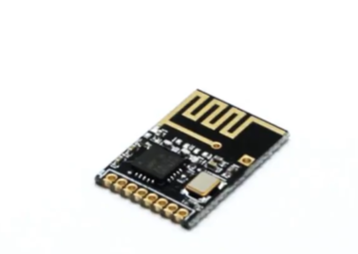
 |  |  |  |  |  | I have removed the bottom Components from BOM
 |  |  |  |  |  | Please calculate only TOP side assembly and not deliver the bottom Components

